Sheet1
Approximate Entropy |  |  | Fuzzy Entropy |  |  | Sample Entropy
Channel | F_value | p_value | Channel | F_value | p_value | Channel | F_value | p_value
AF3 | 14.19 | 0.00 | AF3 | 43.38 | 0.00 | AF3 | 15.58 | 0.00
AF4 | 15.03 | 0.00 | AF4 | 56.62 | 0.00 | AF4 | 15.07 | 0.00
AF7 | 18.52 | 0.00 | AF7 | 86.42 | 0.00 | AF7 | 18.90 | 0.00
AF8 | 17.82 | 0.00 | AF8 | 112.67 | 0.00 | AF8 | 18.29 | 0.00
AFz | 14.79 | 0.00 | AFz | 51.09 | 0.00 | AFz | 14.95 | 0.00
C1 | 32.64 | 0.00 | C1 | 4.99 | 0.03 | C1 | 28.44 | 0.00 |  | Approximate Entropy |  |  |  | Fuzzy Entropy |  |  | Sample Entropy
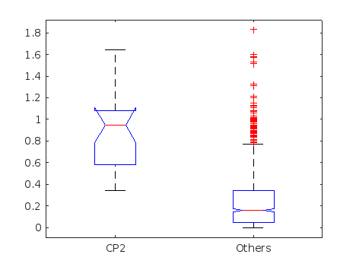
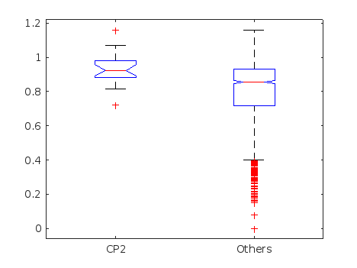
C2 | 31.94 | 0.00 | C2 | 2.73 | 0.10 | C2 | 34.07 | 0.00
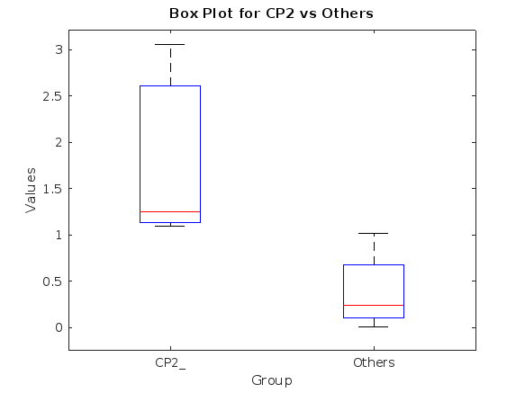
C3 | 7.74 | 0.01 | C3 | 7.45 | 0.01 | C3 | 7.45 | 0.01
C4 | 8.84 | 0.00 | C4 | 5.66 | 0.02 | C4 | 8.36 | 0.00
C5 | 0.17 | 0.68 | C5 | 7.57 | 0.01 | C5 | 0.09 | 0.77
C6 | 0.02 | 0.90 | C6 | 4.52 | 0.03 | C6 | 0.03 | 0.87
CP1 | 119.35 | 0.00 | CP1 | 8.33 | 0.00 | CP1 | 102.94 | 0.00
CP2 | 142.59 | 0.00 | CP2 | 10.62 | 0.00 | CP2 | 144.45 | 0.00
CP3 | 19.18 | 0.00 | CP3 | 10.41 | 0.00 | CP3 | 18.06 | 0.00
CP4 | 23.18 | 0.00 | CP4 | 10.85 | 0.00 | CP4 | 23.71 | 0.00
CP5 | 2.00 | 0.16 | CP5 | 10.92 | 0.00 | CP5 | 1.61 | 0.20
CP6 | 2.01 | 0.16 | CP6 | 10.41 | 0.00 | CP6 | 2.42 | 0.12
Cz | 62.40 | 0.00 | Cz | 6.07 | 0.01 | Cz | 110.33 | 0.00
F1 | 8.28 | 0.00 | F1 | 5.71 | 0.02 | F1 | 7.85 | 0.01
F2 | 5.85 | 0.02 | F2 | 10.46 | 0.00 | F2 | 5.28 | 0.02
F3 | 8.38 | 0.00 | F3 | 8.00 | 0.00 | F3 | 10.04 | 0.00
F4 | 9.62 | 0.00 | F4 | 11.81 | 0.00 | F4 | 9.17 | 0.00
F5 | 10.74 | 0.00 | F5 | 14.23 | 0.00 | F5 | 12.74 | 0.00
F6 | 12.84 | 0.00 | F6 | 18.50 | 0.00 | F6 | 12.82 | 0.00
F7 | 13.77 | 0.00 | F7 | 19.04 | 0.00 | F7 | 13.60 | 0.00 |  | from | to |  | from | to |  | from | to
F8 | 14.13 | 0.00 | F8 | 20.28 | 0.00 | F8 | 14.10 | 0.00 | Value range of CP2: | 0.4 | 1.8 | Value range of CP2: | 0.8 | 1.1 | Value range of CP2: | 1 | 3
FC1 | 0.18 | 0.67 | FC1 | 0.33 | 0.56 | FC1 | 0.06 | 0.80
FC2 | 0.18 | 0.67 | FC2 | 0.14 | 0.70 | FC2 | 0.48 | 0.49
FC3 | 0.65 | 0.42 | FC3 | 0.27 | 0.60 | FC3 | 0.72 | 0.40
FC4 | 0.39 | 0.53 | FC4 | 0.19 | 0.67 | FC4 | 0.37 | 0.54
FC5 | 3.43 | 0.06 | FC5 | 1.03 | 0.31 | FC5 | 3.60 | 0.06
FC6 | 3.27 | 0.07 | FC6 | 0.00 | 0.98 | FC6 | 3.37 | 0.07
FCz | 1.35 | 0.25 | FCz | 0.50 | 0.48 | FCz | 3.11 | 0.08
Fp2 | 16.76 | 0.00 | Fp2 | 133.76 | 0.00 | Fp2 | 17.09 | 0.00
FT10 | 11.03 | 0.00 | FT10 | 3.00 | 0.08 | FT10 | 10.59 | 0.00
FT7 | 7.02 | 0.01 | FT7 | 0.22 | 0.64 | FT7 | 6.94 | 0.01
FT8 | 5.53 | 0.02 | FT8 | 0.01 | 0.93 | FT8 | 5.28 | 0.02
FT9 | 10.43 | 0.00 | FT9 | 11.02 | 0.00 | FT9 | 10.26 | 0.00
Fz | 8.09 | 0.00 | Fz | 11.92 | 0.00 | Fz | 7.34 | 0.01
O1 | 1.17 | 0.28 | O1 | 4.26 | 0.04 | O1 | 1.12 | 0.29
O2 | 1.21 | 0.27 | O2 | 4.88 | 0.03 | O2 | 1.63 | 0.20
Oz | 0.55 | 0.46 | Oz | 5.06 | 0.02 | Oz | 0.70 | 0.40
P1 | 24.15 | 0.00 | P1 | 4.16 | 0.04 | P1 | 26.39 | 0.00
P2 | 31.27 | 0.00 | P2 | 7.49 | 0.01 | P2 | 28.94 | 0.00
P3 | 8.00 | 0.00 | P3 | 8.58 | 0.00 | P3 | 9.59 | 0.00
P4 | 7.11 | 0.01 | P4 | 6.25 | 0.01 | P4 | 7.16 | 0.01
P5 | 0.91 | 0.34 | P5 | 7.55 | 0.01 | P5 | 0.80 | 0.37
P6 | 0.16 | 0.69 | P6 | 5.31 | 0.02 | P6 | 0.15 | 0.70
P7 | 0.77 | 0.38 | P7 | 5.99 | 0.01 | P7 | 0.90 | 0.34
P8 | 1.14 | 0.29 | P8 | 5.39 | 0.02 | P8 | 1.65 | 0.20
PO3 | 0.19 | 0.66 | PO3 | 3.27 | 0.07 | PO3 | 0.31 | 0.58
PO4 | 0.19 | 0.67 | PO4 | 2.51 | 0.11 | PO4 | 0.05 | 0.82
PO7 | 1.58 | 0.21 | PO7 | 4.13 | 0.04 | PO7 | 1.62 | 0.20
PO8 | 2.72 | 0.10 | PO8 | 2.62 | 0.11 | PO8 | 3.29 | 0.07
POz | 2.21 | 0.14 | POz | 2.22 | 0.14 | POz | 0.83 | 0.36
Pz | 43.35 | 0.00 | Pz | 3.71 | 0.05 | Pz | 37.71 | 0.00
T7 | 2.36 | 0.12 | T7 | 6.22 | 0.01 | T7 | 2.71 | 0.10
T8 | 2.24 | 0.13 | T8 | 3.42 | 0.06 | T8 | 2.20 | 0.14
TP10 | 5.36 | 0.02 | TP10 | 1.69 | 0.19 | TP10 | 5.55 | 0.02
TP7 | 0.83 | 0.36 | TP7 | 9.41 | 0.00 | TP7 | 0.84 | 0.36
TP8 | 1.52 | 0.22 | TP8 | 7.46 | 0.01 | TP8 | 1.38 | 0.24
TP9 | 8.98 | 0.00 | TP9 | 0.12 | 0.73 | TP9 | 8.34 | 0.00

